WEB_REPORT
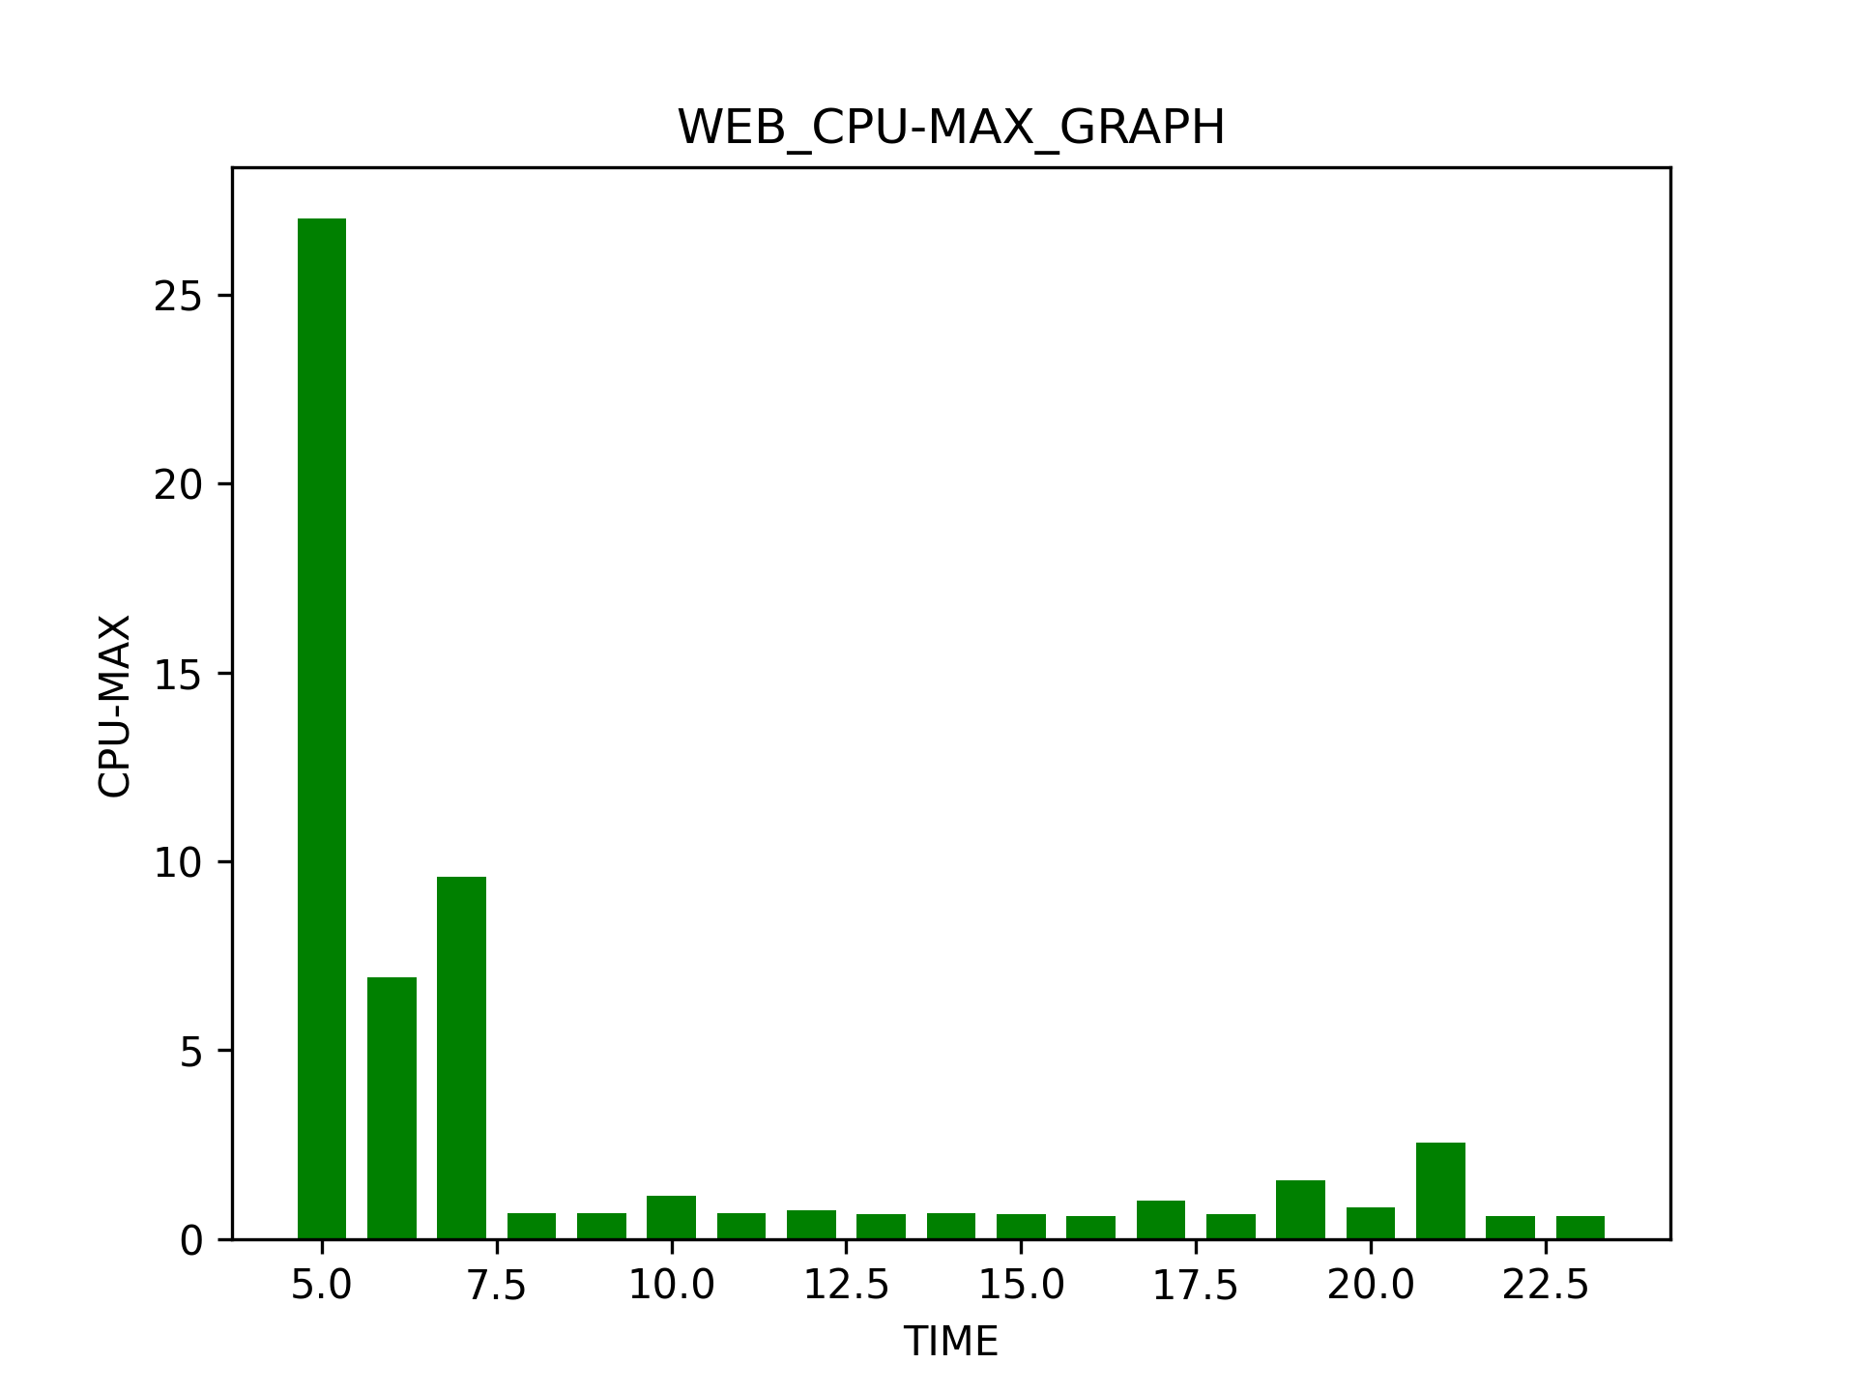
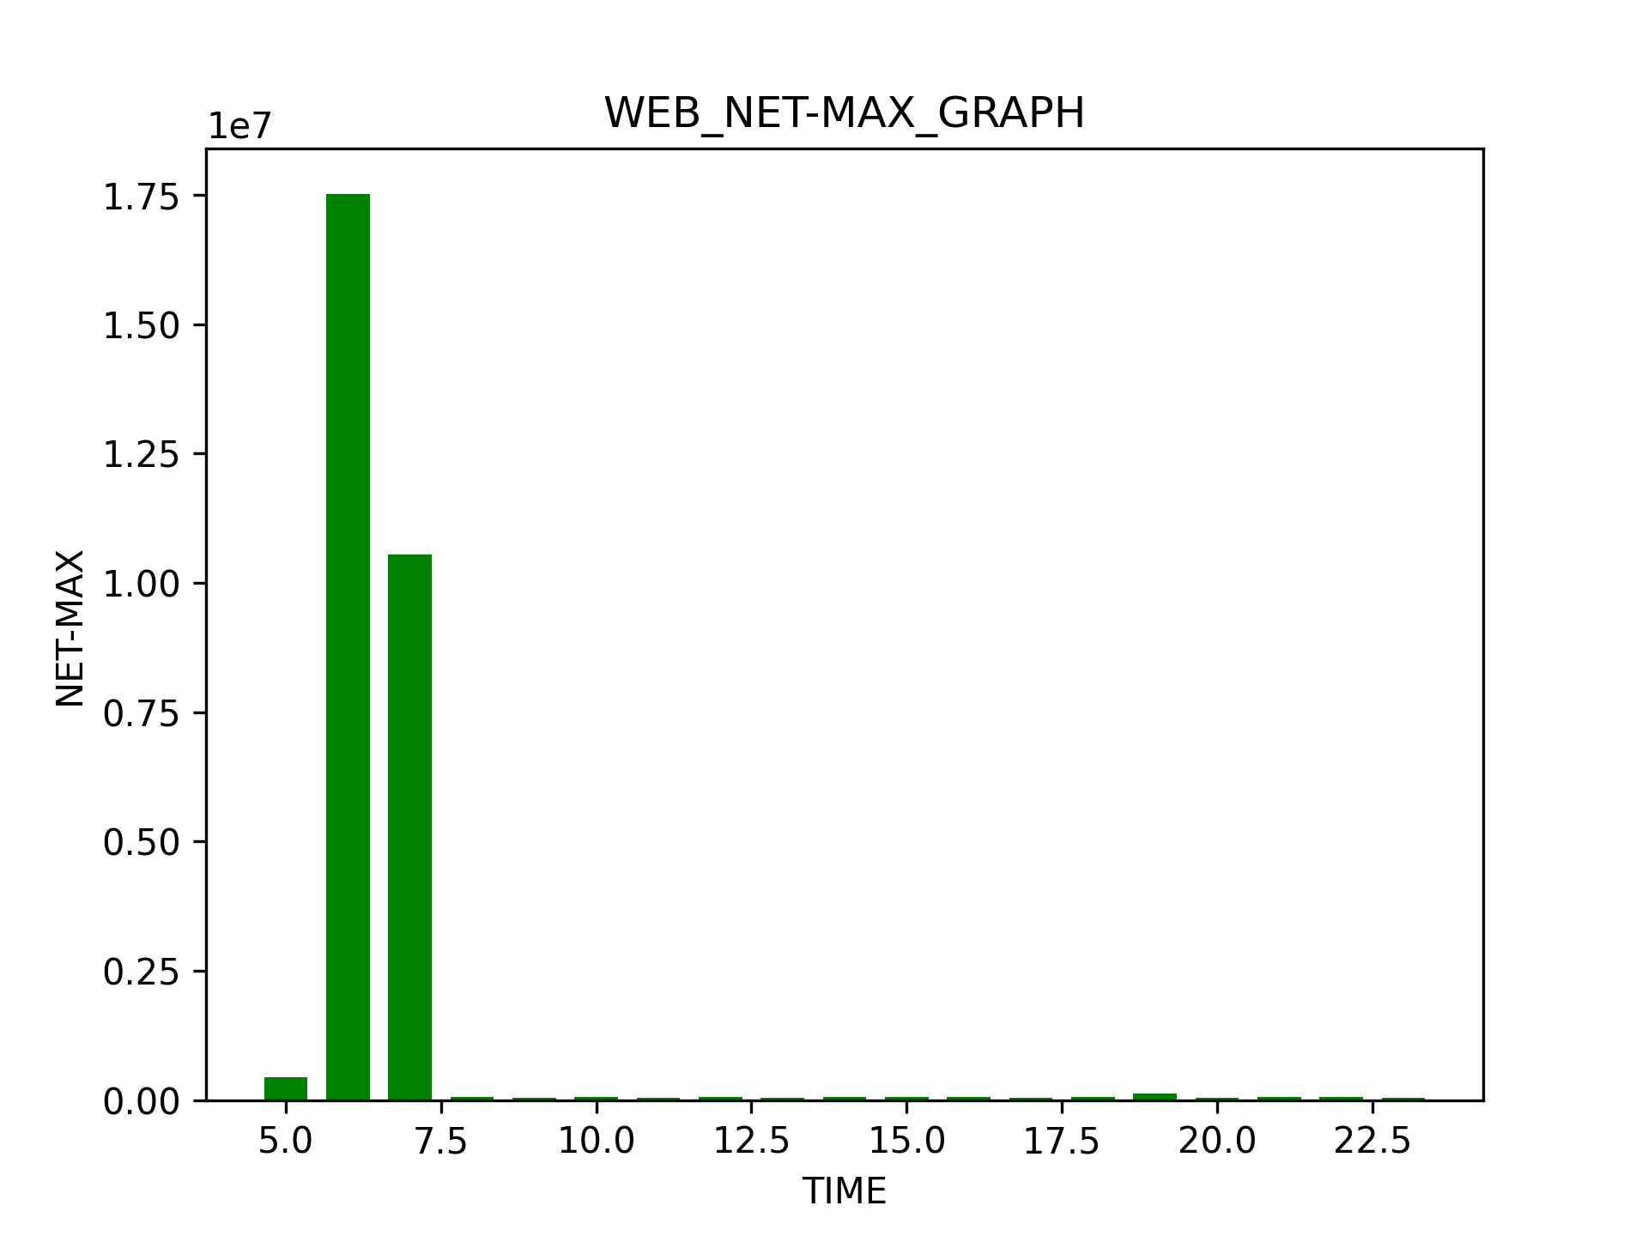
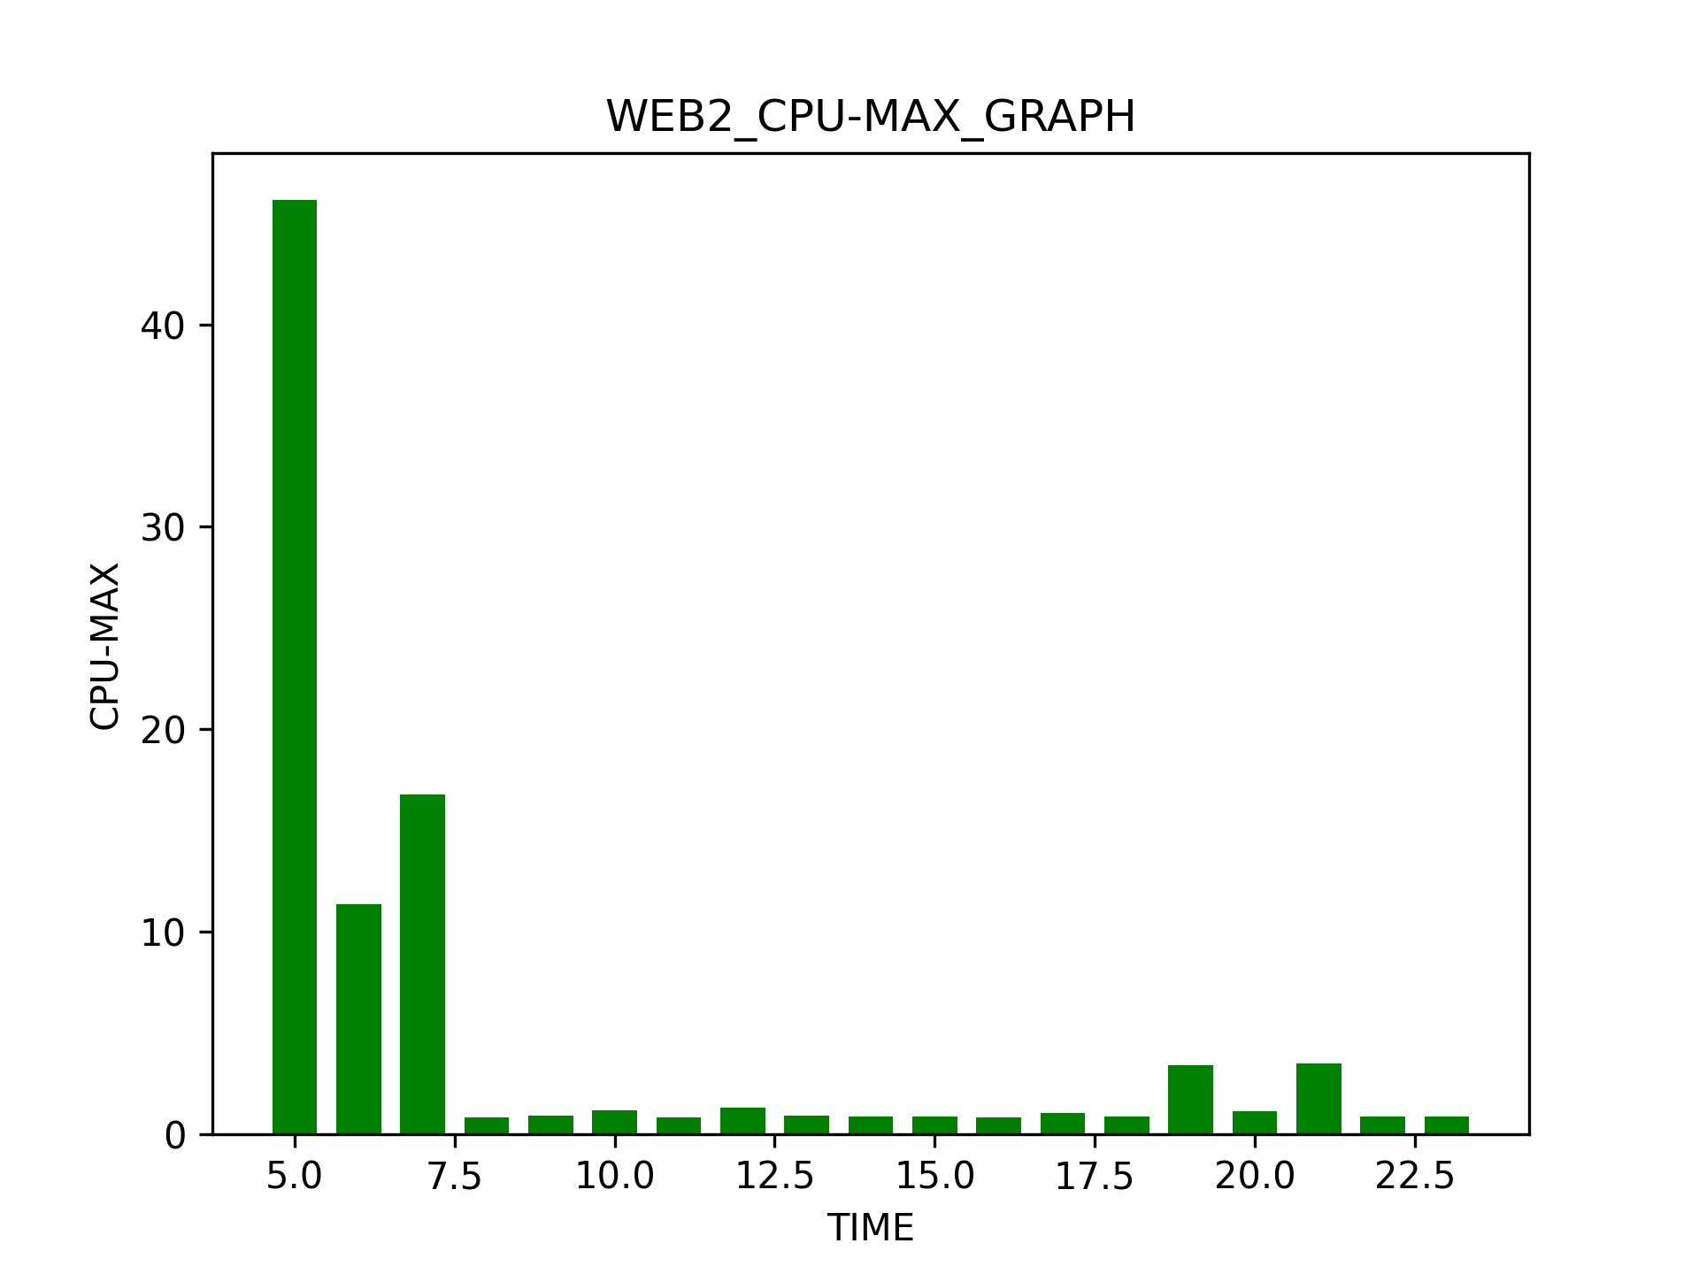

EVENTSHOP REPORT
Today : | 2021-06-13

APACHE_WEB_ERROR_REPORT
EVENTSHOP REPORT
Today : | 2021-06-13

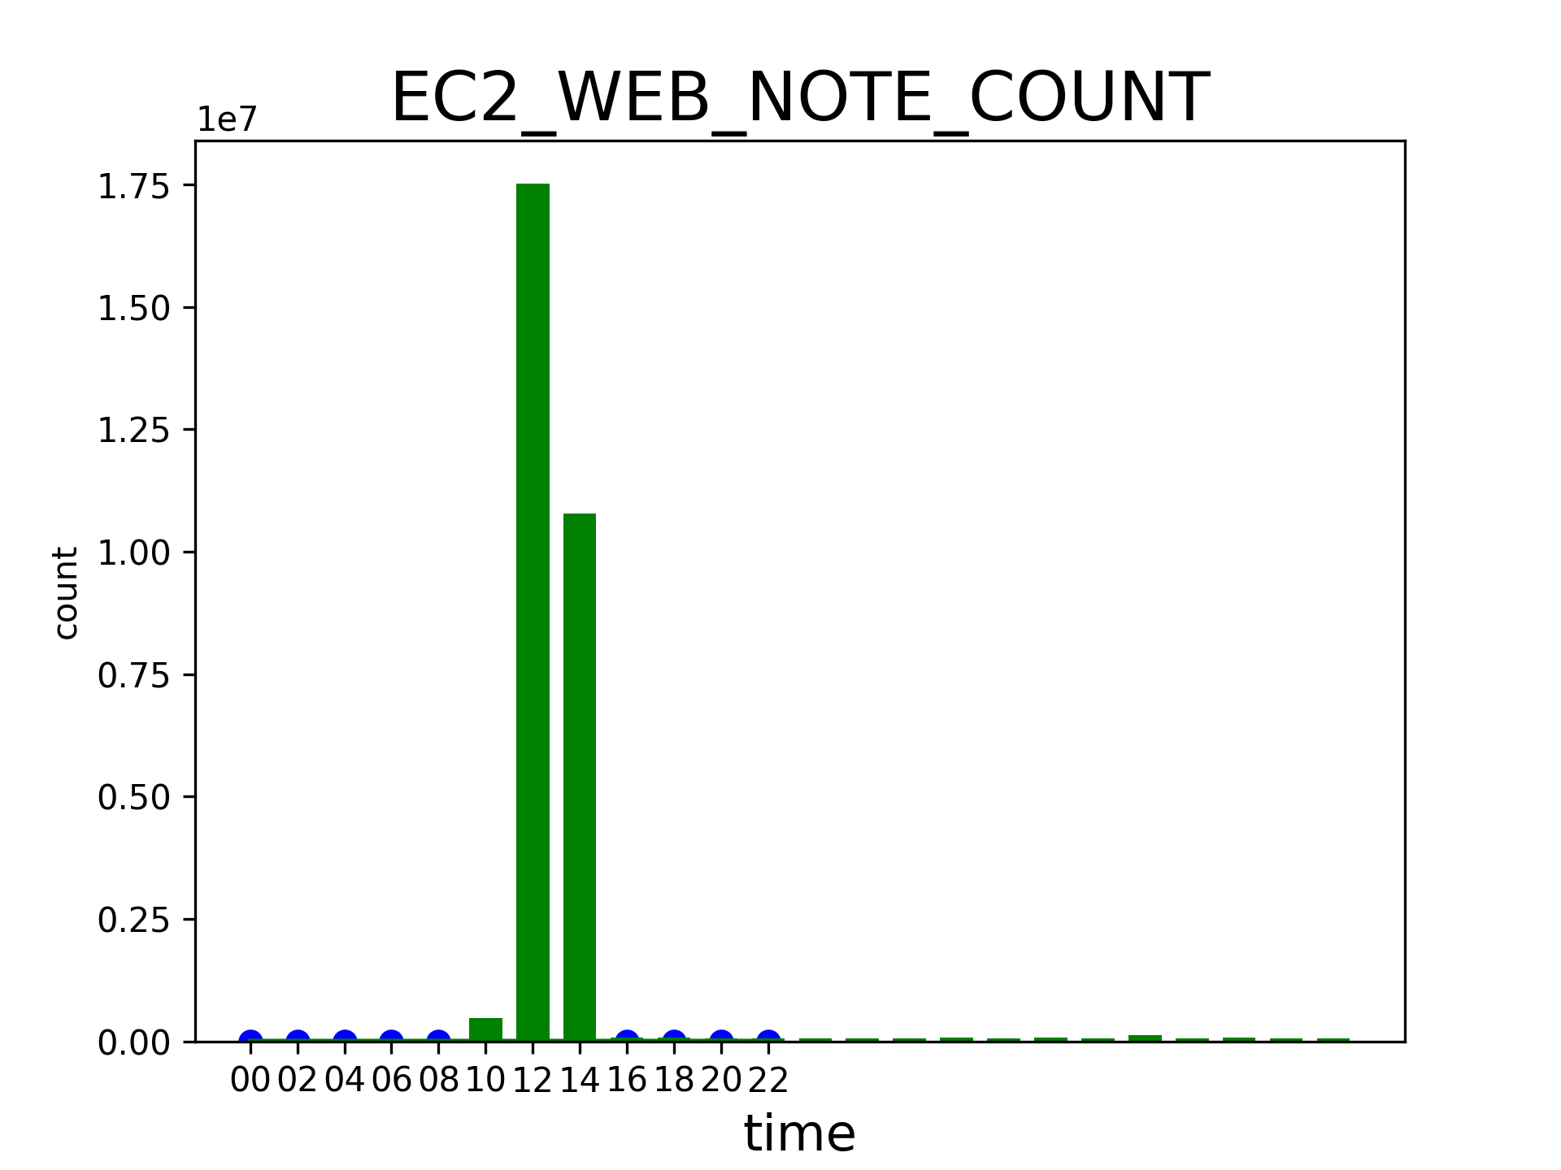

00 | 02 | 04 | 06 | 08 | 10 | 12 | 14 | 16 | 18 | 20 | 22
0 | 0 | 0 | 518 | 0 | 0 | 0 | 0 | 0 | 0 | 0 | 0

MYSQL_ERROR_REPORT
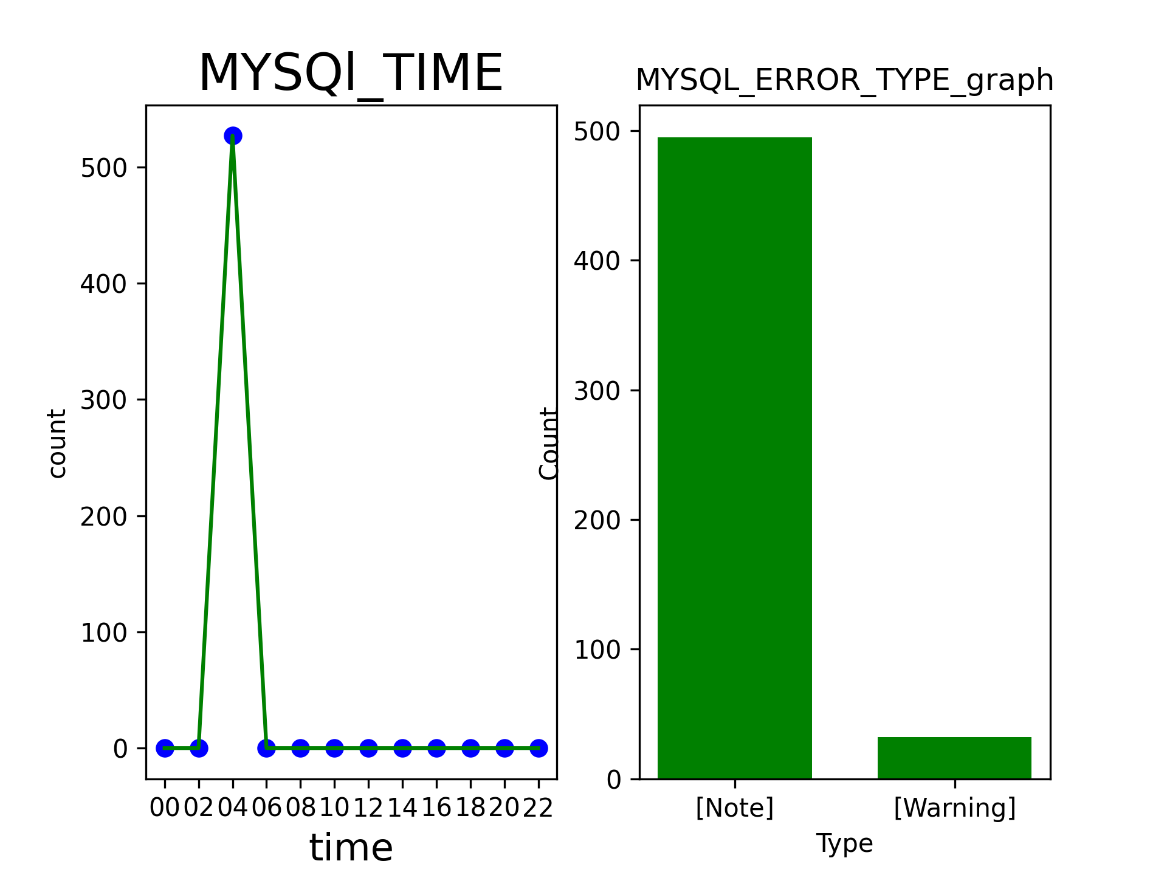
EVENTSHOP REPORT
Today : | 2021-06-13

